LBNL Phase 3
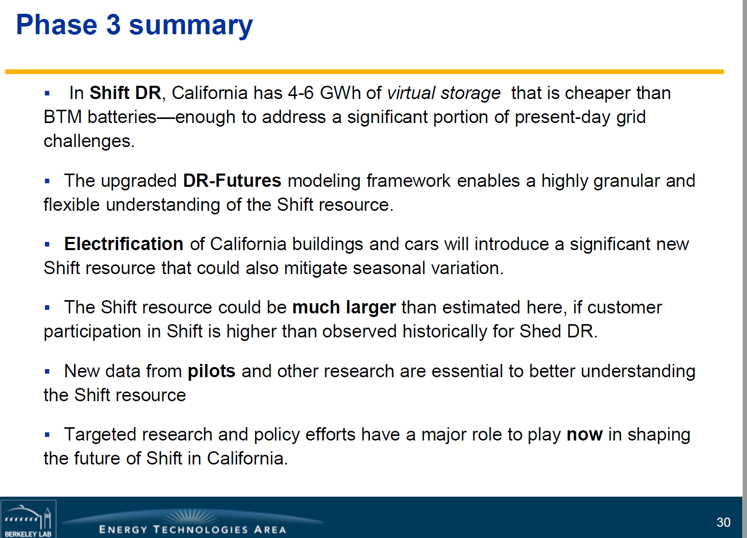
Per the conclusion slide (30, shown at right):

"In Shift DR , California has 4 6 GWh of virtual storage that is cheaper than
BTM batteries enough to address a significant portion of present day grid
challenges."

We use this conclusion as the basis for selecting the equivalent price of
BTM batteries as the price for Demand Response Capacity,

At slide 15, it states:

At ~$150/kWh-yr , BTM batteries
become affordable, unlocking a Shift
potential that dwarfs other flexible loads.

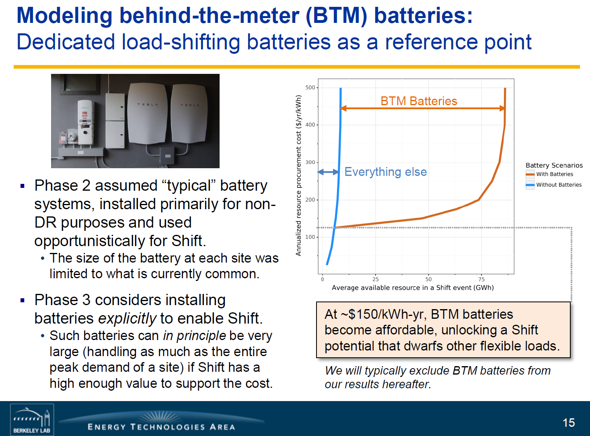
(Shown at right)

Convert kWh to MWh

kWh | 150
MWh | 150000

Sector shares
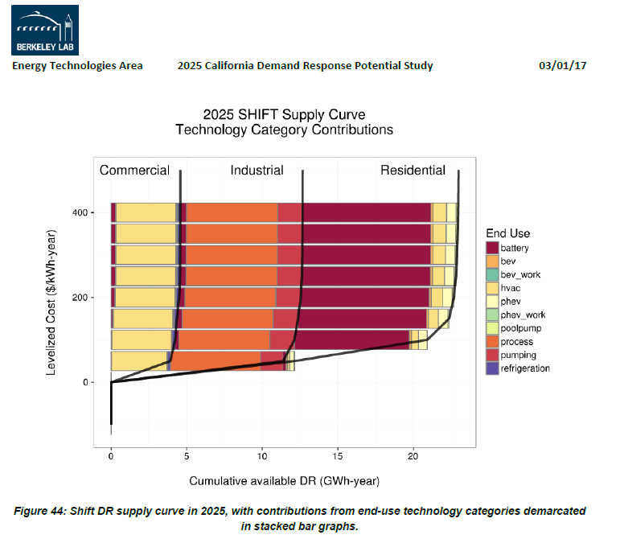
Estimated by visual approximations based on the graph below (Figure 44 from the LBNL Demand Response report)

Provider | Cum GWh/year | Share of DR
residential | 10 | 45.5%
commercial | 5 | 22.7%
industrial | 7 | 31.8%
summation | 22

In the EPS, the "industry" cash flow entity encompasses both industrial
facilities and commercial buildings, so we combine these into a single
entry:

residential | 45.5%
commercial & industrial | 54.5%

